Sheet1
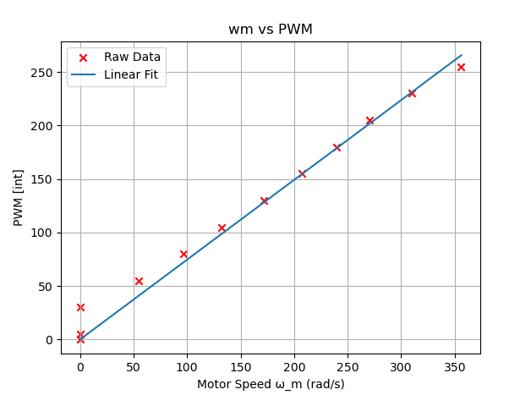
Original OL gain
For Motor PID Lab: Finding Open Loop Gain, OL_gain
Open Loop Gain, OL_gain = 0.7456875759374906 [N·m·s/rad]
R^2 = 0.9837171223685393
y-intercept = 0.0

wm ref [rad/s] | wm exp [rad/s] | PWM out [Int] | wm error [rad/s] | Percent Error [%]
250 | 261.8 | 186 | -11.8 | 4.720%
300 | 303.69 | 224 | -0.369 | 1.230%
350 | 366.49 | 255 | -16.49 | 4.711%

13:59:12.199 -> Wmref:350.00, Wmexp:366.49, PWM:255, Wmerror:-16.49
13:58:12.322 -> Wmref:300.00, Wmexp:303.69, PWM:224, Wmerror:-3.69
14:00:31.117 -> Wmref:250.00, Wmexp:261.80, PWM:186, Wmerror:-11.80

Original OL Gain | 0.74568757594
Tuned OL Gain | 0.70

 | Values | Units
Mass | 0.39 | kg
thickness | 0.006 | m
radius | 0.1015 | m
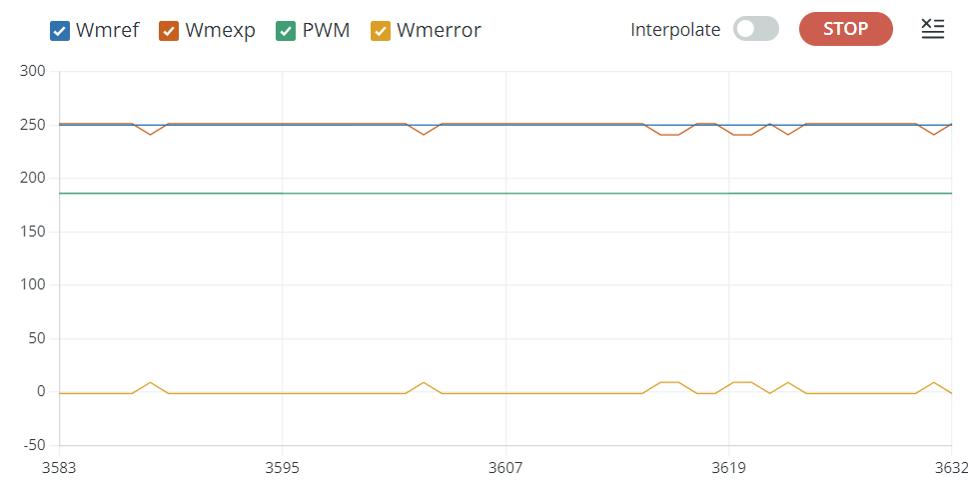
 | Final Values
Kp | 0.05
Ki | 0.1
Kd | 0

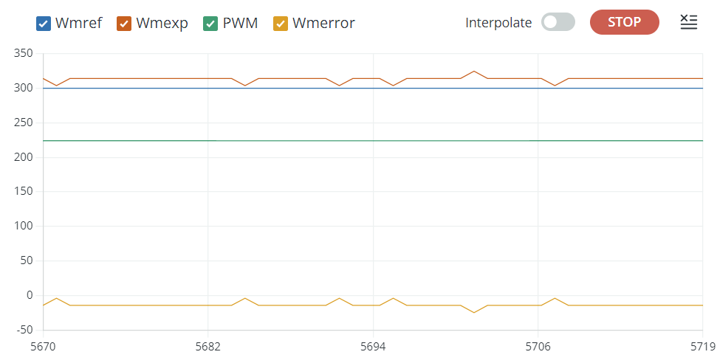



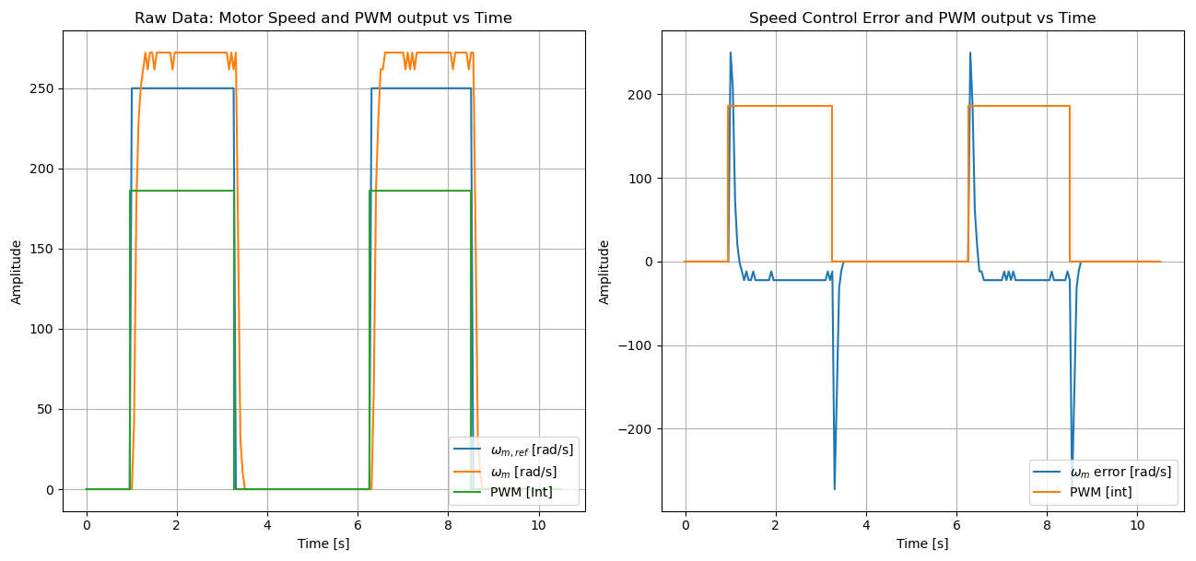

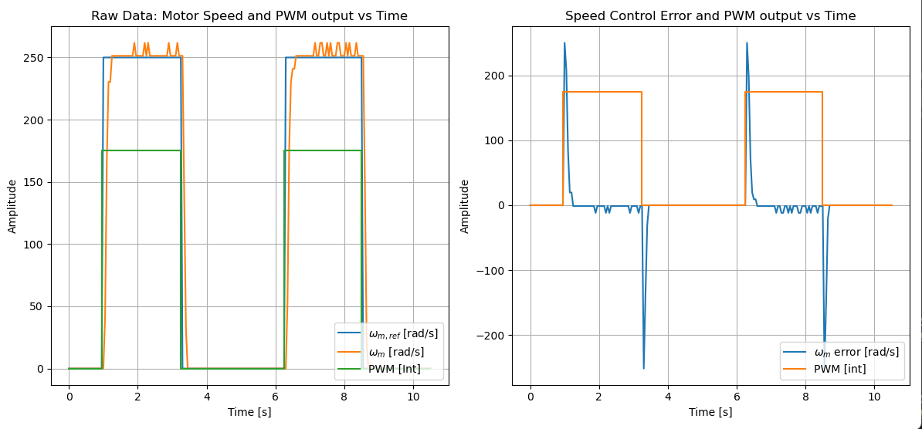

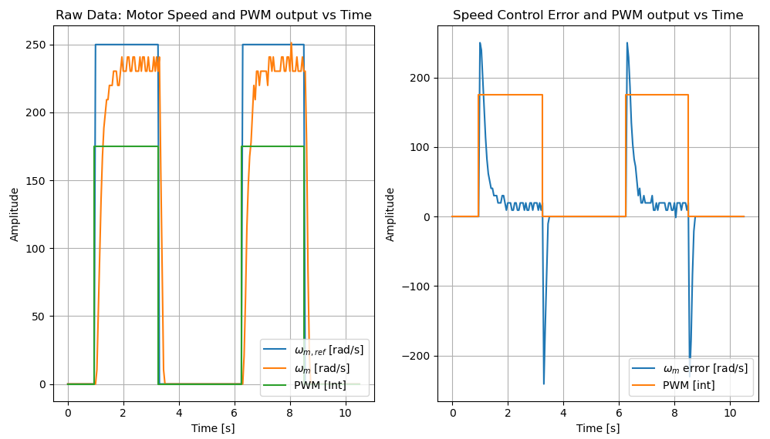

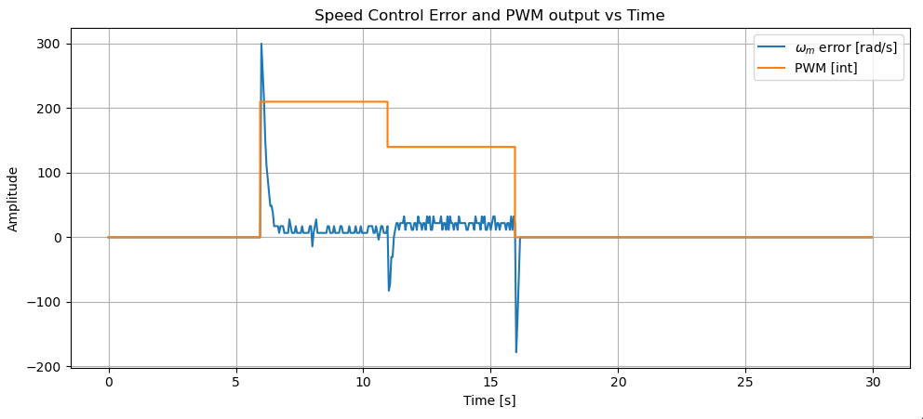

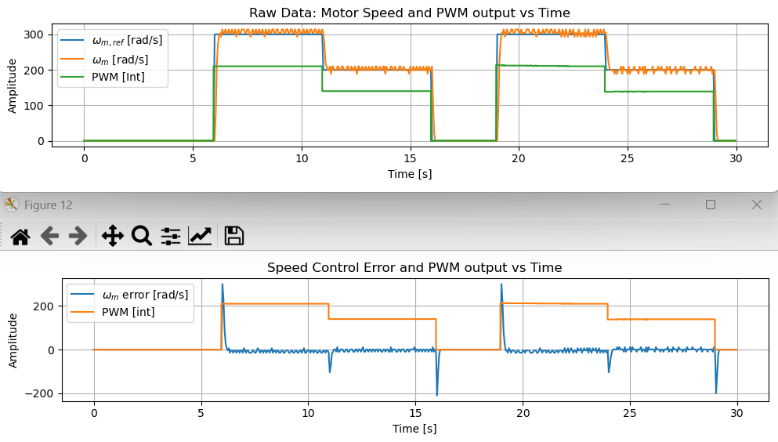
 |  |  |  |  | test 1
 |  |  |  |  | kp=0.05
 |  |  |  |  | ki=0.1

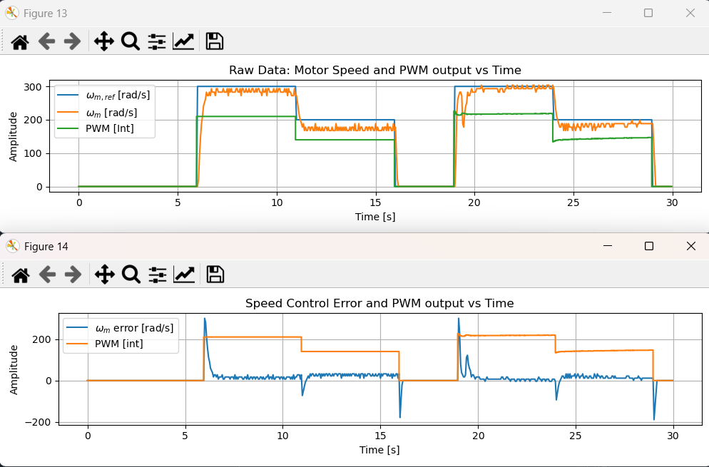
 |  |  |  |  | test 1 loaded

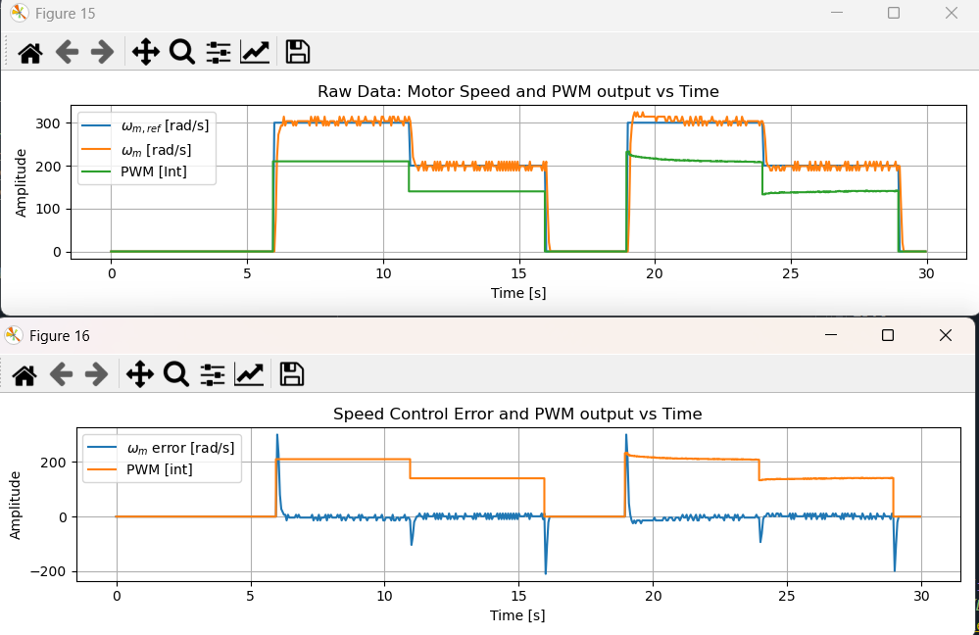

 |  |  | Unloaded

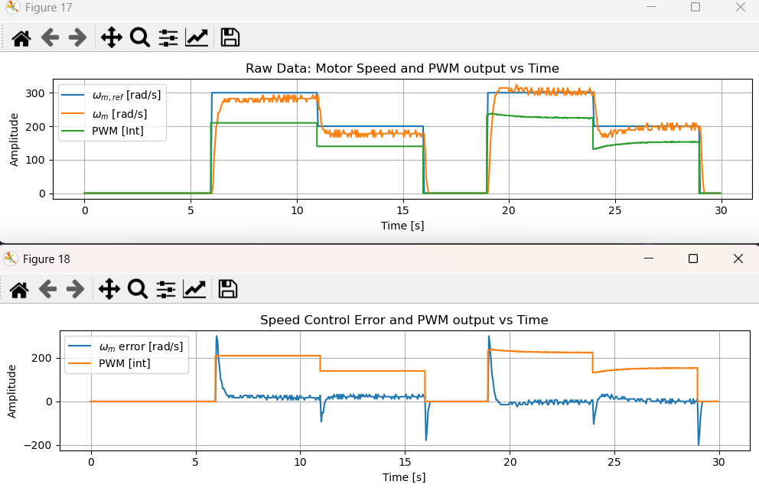
 |  |  | Loaded

